Holidays
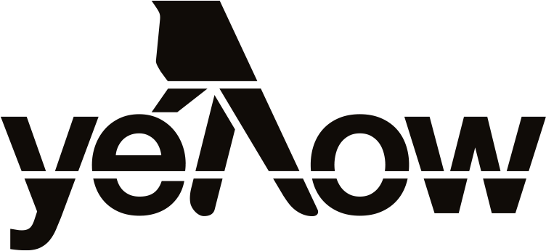
National public holidays | Xmas, Easter, etc.
State public holidays | Melbourne Cup Day, Queen's birthday, etc.
UN Observances | World Health Day, Earth Hour, etc.
School Holidays | State term dates
Other | Australia National Charity Events, etc.

2020 | Full Month | 1 | 2 | 3 | 4 | 5 | 6 | 7 | 8 | 9 | 10 | 11 | 12 | 13 | 14 | 15 | 16 | 17 | 18 | 19 | 20 | 21 | 22 | 23 | 24 | 25 | 26 | 27 | 28 | 29 | 30 | 31
January |  | New Year's Day |  |  |  |  | Epiphany |  |  |  |  |  |  |  |  |  |  |  |  |  | Martin Luther King Day (US) |  |  |  | International Day of Education | Chinese New Year | Australia Day |  | Term 1 begins (NT, QLD, SA, VIC)
February |  |  | Groundhog Day (US), Superbowl Sunday | Term One begins (ACT, NSW, TAS, WA) | World Cancer Day |  |  |  |  |  |  |  |  | World Radio Day | Valentine's Day |  |  | President's Day (US) |  |  |  |  |  |  |  |  |  |  | School Clean Up Day | Leap Day Mardi Gras | - | -
March | World's Greatest Shave (11th-15th) Australian Women's History Month National Epilepsy Awareness Month Parks Week (7-15th) Be Cruelty Free Week (5-10th TBC) | World Compliment Day Clean Up Australia Day | Labour Day (WA) | World Wildlife Day |  |  |  |  | International Women's Day | Labour Day (VIC) Canberra Day (ACT) Adelaide Cup Day (SA) Eight Hours Day (TAS) Commonwealth Day |  |  |  |  |  |  |  | St Patrick's Day |  | National Close the Gap Day | International Day of Happiness |  | World Water Day |  |  |  |  | School holidays begin (VIC) | Earth Hour (8:30pm) | Neighbour Day
April | Sexual Assault Awareness Month Parkinson's Awareness Month Supermarket Free Month Ramadan (April 23 - May 23) Kidney Health Week (6-12th TBC) World Creativity & Innovation Week (15-21st) | April Fool's Day | World Autism Awareness Day | School holidays begin (QLD) Walk to Work Day |  |  |  | World Health Day |  | School holidays begin (ACT, NSW, NT, SA, TAS, WA) | Good Friday |  | Easter Sunday World Kidney Day | Easter Monday | Term 2 begins (VIC) Easter Tuesday (TAS) |  |  |  | World Heritage Day |  | Term 2 begins (NT, QLD) |  |  | World Book Day English Language Day |  | Anzac Day |  | Term 2 Starts (ACT, NSW, SA, TAS, WA) | World Day for Health and Safety at Work Pay It Forward Day |  | International Jazz Day | -
May | UN Global Road Safety Week (8 - 14 May) National Volunteer Week (18-24 May) |  |  | Starlight Children's Foundation Day | May Day (NT) Labour Day (QLD) |  |  |  | White Shirt Day (Ovarian Cancer) |  | Mother's Day |  |  |  |  | International Day of Families |  |  |  |  |  |  |  |  |  |  | National Sorry Day |  | Australia's Biggest Morning Tea |  | World MS Day
June | International Men's Health Week (15-21 June) Refugee Week (14-20 June) | Global Day of Parents Reconciliation Day (ACT) Western Australia Day (WA) |  | World Bicycle Day |  | World Environment Day |  |  | Queen's Birthday (ACT, NSW, SA, TAS, VIC, NT) World Oceans Day |  |  |  |  |  | World Blood Donor Day |  |  |  | Sustainable Gastronomy Day |  | World Refugee Day | International Day of Yoga |  |  |  |  | School holidays begin (NT, QLD, VIC) |  |  |  |  | -
July | Dry July |  |  | School holidays begin (ACT, NSW, SA, TAS, WA) |  |  |  |  |  |  |  | World Population Day |  | Term 3 begins (QLD, VIC) |  |  |  |  | Nelson Mandela Day |  | Term 3 begins (ACT, NSW, NT, SA, TAS, WA) |  |  |  |  |  |  |  |  |  | International Day of Friendship
August | MS Readathon National Science Week (15-23 August) |  |  | Picnic Day (NT) Bank Holiday (NSW, ACT) |  |  |  | Jeans for Genes Day |  | International Day of the World's Indigeneous Peoples |  |  | Royal Queensland Show Day (QLD) International Youth Day |  |  |  |  |  |  | World Humanitarian Day |  |  |  |  |  |  |  |  | Daffodil Day
September | Prostate Cancer Awareness Month Starlight Movie Month Liptember Women's Health Week (dates TBC) |  |  |  |  | International Day of Charity | Father's Day |  |  |  | World Suicide Prevention Day R U OK? Day |  |  |  |  |  |  | Australian Citizenship Day | School holidays begin (QLD, VIC) |  |  | International Day of Peace |  |  |  | School holidays begin (ACT, NSW, NT, SA, TAS, WA) |  | World Tourism Day World Rivers Day | Queen's Birthday (WA) | World Heart Day |  | -
October | Pink Ribbon Breakfast National Safe Work Month Mental Health Month Dogtober World Space Week (4-10 October) Children's Week (24 Oct - 1 Nov) | International Coffee Day | World Smile Day |  | World Animal Day | Labour Day (ACT, NSW, SA) Term 4 begins (VIC) World Teacher's Day Queen's Birthday (QLD) | Term 4 begins (QLD) |  |  |  | World Mental Health Day | International Day of the Girl Child | Term 4 begins (ACT, NSW, NT, SA, TAS, WA) |  |  |  | World Food Day | International Day for the Eradication of Poverty |  |  |  |  |  |  |  |  |  |  |  |  |  | Halloween World Cities Day
November | Movember International Week of Science and Peace (Dates TBC) National Recycling Week (11-17 November) |  |  | Melbourne Cup Day (VIC) |  |  |  |  |  |  |  | Remembrance Day |  |  | World Diabetes Day |  |  |  |  | World Toilet Day | White Ribbon Day Universal Children's Day | World Television Day World Philosophy Day |  |  |  |  | Cyber Week / Thanksgiving Day (US) | Black Friday |  |  |  | -
December | Decembeard | World AIDS Day |  |  |  |  |  |  |  |  | Human Rights Day | School holidays begin (QLD, SA) |  |  |  |  |  |  | School holidays begin (ACT, NSW, NT, TAS, VIC, WA) International Migrants Day |  | International Human Solidarity Day |  |  |  | Christmas Eve (7pm - midnight for SA, NT) | Christmas Day | Boxing Day (Proclamation Day in SA) |  |  |  |  | New Year's Eve (7pm - midnight for SA, NT)

